E-3
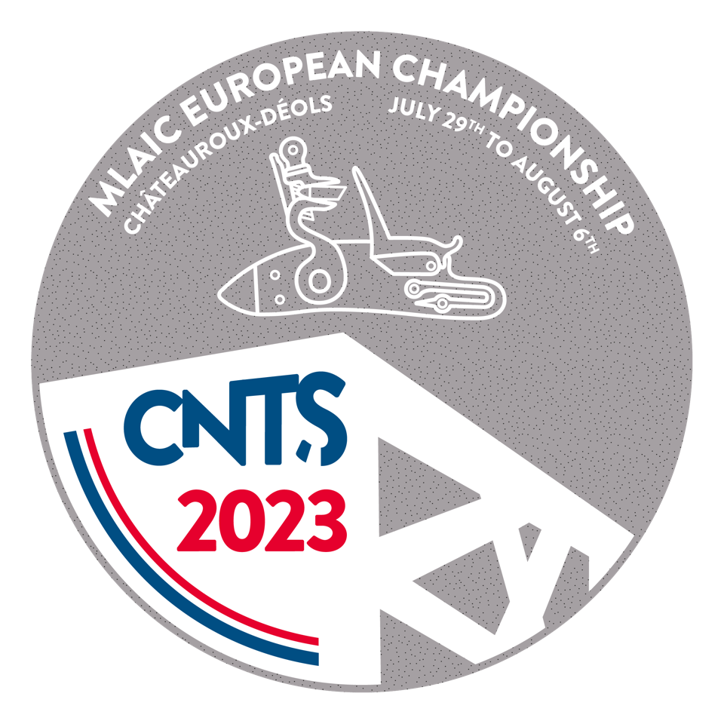


XIX MLAIC European Championships July 30 to August 6, 2023

Form E - 3 : Final Entry Form - Individual Competitions
Please return this form at the latest until 5th June 2023 |  |  |  |  |  |  | E-mail :

Personal Details :
Title |  | Surname |  |  | First Name |  |  | Date of Birth |  | Nationality
 |  |  |  |  |  |  |  |  |  | Swedish

Passport number : |  |  |  |  | European firearms pass number :

I am participating as :
Delegate |  |  | Chief of Delegate |  |  | Team Captain |  |  | Competitor

Permanent Address :
Address :
Phone : |  |  |  |  | E-mail :

Address during the competition :
Address : |  | Hotel Kyriad Saint-Maur, 384 Av. de Verdun, 36000 Châteauroux, France
Phone : |  |  |  |  | E-mail :

I am participating in the following individual competitions using the following firearms :
Nr. | M.L.A.I.C. Comp. |  | O/R | Model/Type |  |  | Maker |  | Cal. | Number
02 | Maximilian
03 | Minie
04 | Whitworth
08 | Walkyrie
01 | Miquelet
15 | Vetterli
14 | Tanegashima
16 | Hizadai
36 | Pennsylvania
37 | Lamarmora
05 | Cominazzo
06 | Kuchenreuter
07 | Colt
12 | Mariette
23 | Donald Malson
28 | Tanzutsu
38 | Remington
21 | Manton
22 | Lorenzoni
Junior Competitions
4.1 | Whitworth
6.1 | Kuchenreuter
12.1 | Mariette
15.1 | Vetterli
22.1 | Lorenzoni
Exhibition Competitions
61 | Gastine Renette (a)
62 | Lorenz (b)
 | (a)= Kuchenreuter 50 m
 | (b)= Lamarmora 100 m

The participant who registers in this championship authorizes MLAIC to transfer the data contained in this sheet to the use of the corresponding image rights and authorizes the assignment and use of all intellectual exploitation rights and image in any form, and especially those of fixation, reproduction, distribution and public communication, derived from its participation or relation with this competition. It is mandatory to attach the duly signed form F3.
Country : |  |  |  |  | Federation :
SWEDEN |  |  |  |  | Svenska Svartkruts Skytte Federationen

Date : |  |  |  | Signature Shooter/ Team Captain :

